FINANCIAL
 |  |  |  |  | *
Samco Mutual Fund

HALF YEARLY UNAUDITED FINANCIAL RESULTS OF THE SCHEME OF SAMCO MUTUAL FUND FOR THE PERIOD ENDED 31st March 2022 (Pursuant to the provisions of Regulation 59 of the Securities and Exchange Board of India(Mutual Funds) Regulations, 1996)

Sr. No. | Particulars |  | Samco Flexicap Fund
 |  |  | 01.10.2021 to 31.03.2022

1.1 | Unit Capital at the beginning of the half - year period | (Rs in Crores) | **
1.2 | Unit Capital at the end of the period | (Rs in Crores) | 613.28

2.0 | Reserves & Surplus | (Rs in Crores) | 8.84

3.1 | Total Net Assets at the beginning of the half - year period | (Rs in Crores) | **
3.2 | Total Net Assets at the end of the period | (Rs in Crores) | 622.12

4.1 | NAV at the beginning of the half year period | (Rs)
 | Regular Plan
 | Growth |  | ** | 10.0

 | Direct Plan
 | Growth Option |  | ** | 10.0

4.2 | NAV at the end of the period | (Rs)
 | Regular Plan
 | Growth |  | 10.1400

 | Direct Plan
 | Growth Option |  | 10.1700

4.3 | Dividend (net) paid per unit during the half - year | (Rs.) | -

 | INCOME
5.1 | Dividend | (Rs in Crores) | 0.14
5.2 | Interest | (Rs in Crores) | 1.64
5.3 | Profit/(loss) on sale/redemption of investments(other than inter scheme | (Rs in Crores) | -
5.4 | Profit/(loss) on inter-scheme transfer/sale of investment | (Rs in Crores) | -

5.5 | Other Income (indicating nature)* | (Rs in Crores) | 0.01

5.6 | Total Income (5.1 to 5.5) | (Rs in Crores) | 1.79

 | EXPENSES
6.1 | Commission |  | 1.34
 | Other expenses |  | 0.27

6.2 | Management Fees (incl of Service Tax) | (Rs in Crores) | 0.51

6.3 | Trusteeship Fees | (Rs in Crores) | 0.01

6.4 | Total Recurring Expenses (including 6.1, 6.2 and 6.3) | (Rs in Crores) | 2.12

6.5 | Percentage of Management Fees to daily average net assets # | (%)
 | Regular Plan |  | 0.58
 | Direct Plan |  | 0.58

 | Total Recurring expenses as a percentage of daily average net assets # | (%)
 | Regular Plan |  | 2.49
 | Direct Plan |  | 0.88

7.1 | Returns during the half year $ [ (+) (-) ]- Regular Plan*** |  | NA
7.1.1 | Returns during the half year $ [ (+) (-) ]- Direct Plan*** |  | NA
7.2 | Compounded Annualised yield in case of schemes in existence for more than 1 year- Regular Plan
 | (i) Last 1 year | [%] | NA
 | (ii) Last 3 years | [%] | NA
 | (iii) Last 5 years | [%] | NA
 | (iv) Since the launch of the scheme /plan | [%] | 1.4
 | (v) Date of launch of the scheme / plan |  | 17-Jan-22

7.2.1 | Compounded Annualised yield in case of schemes in existence for more than 1 year-Direct Plan
 | (i) Last 1 year | [%] | NA
 | (ii) Last 3 years | [%] | NA
 | (iii) Last 5 years | [%] | NA
 | (iv) Since the launch of the scheme /plan | [%] | 1.7
 | (v) Date of launch of the scheme / plan |  | 17-Jan-22

7.3 | Returns on Benchmark Index during the half year
7.4 | Compounded Annualised yield on Benchmark Index
 | (i) Last 1 year | [%] | NA
 | (ii) Last 3 years | [%] | NA
 | (iii) Last 5 years | [%] | NA
 | (iv) Since the launch of the scheme /plan | [%] | -1.08
 | Benchmark Index |  | Nifty 500 TRI Index
8 | Provision for Doubtful Income/Debts | (Rs in Crores) | -
9 | Payments to associate/group companies | (Rs in Crores) | 0.08
10 | Investments made in associate/group companies | (Rs in Crores) | -

NA | Not Applicable
** | Scheme launched during the half year ended March 31, 2022, hence there are no opening balances and NAVs at the beginning of the half year period.
($) | Returns during the half year has been calculated on published navs for the Growth Option of Scheme
(@) | Indicates less than 0.01 Crores.
(#) | Indicates annualised for the period.
* | Other income includes realised gain/loss on forex, load income and miscelleanous income.
*** | The scheme has not yet finished 6 months hence returns during the half year are not applicable.
 | The product is suitable for investors who are seeking* | Riskometer - Scheme |  | Riskometer - Primary Benchmark (Nifty 500 TR Index)
 | Samco Flexi Cap Fund (An open-ended dynamic equity scheme investing across large cap, mid cap, small cap stocks) | 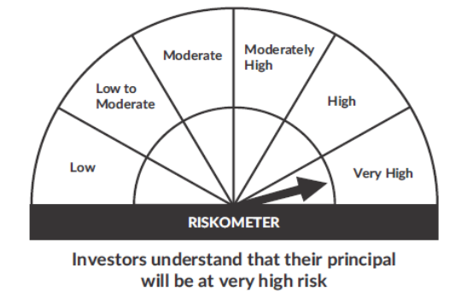 |  | 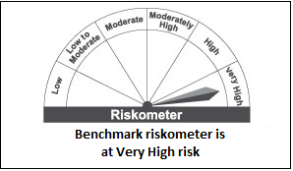
 | • To generate long-term capital growth;
 | • Investment in Indian & foreign equity instruments across market capitalization
 | *Investors should consult their financial advisers if in doubt about whether the product is suitable for them.

 | MUTUAL FUND INVESTMENTS ARE SUBJECT TO MARKET RISKS, READ ALL SCHEME RELATED DOCUMENTS CAREFULLY

